Data Analysis 1)
From the table we can conclude -
The total number of rides with '0' duration is 18
The average age of the users is 43.74
The total number of females are 7
The total number of males are 10
The total number of other is 1
All the users are from registered subscription type
For each station, calculate the following: Total Number of Rides Average Duration of Rides Average User Age Distribution of Gender Distribution of Subscription Type
 |  |  |  |  |  |  |  |  |  | Calculated the following where the trip time = 0
strt_statn | Station Name | Number of Rides | Average Trip Time in Mins | Average Age | Female | Male | Other | Casual | Registered | strt_statn | Station Name | Number of Rides | Average Trip Time in Mins | Average Age | Female | Male | Other | Registered
37 | New Balance - 38 Guest St. | 7 | 34.29 | 66.00 | 1 | 0 | 0 | 6 | 1 | 3 | #REF! | 1 | 0 | 31.00 | 0 | 1 | 0 | 1
26 | Washington St. at Waltham St. | 11 | 38.73 | 55.00 | 0 | 1 | 0 | 10 | 1 | 16 | #REF! | 1 | 0 | 59.00 | 0 | 0 | 1 | 1
12 | Ruggles Station / Columbus Ave. | 19 | 20.00 | 52.17 | 1 | 5 | 0 | 13 | 6 | 22 | #REF! | 5 | 0 | 51.80 | 0 | 5 | 0 | 5
53 | Beacon St / Mass Ave | 6 | 15.67 | 48.67 | 0 | 2 | 1 | 3 | 3 | 23 | #REF! | 9 | 0 | 40.67 | 6 | 3 | 0 | 9
18 | Harvard Real Estate - 219 Western Ave. at North Harvard St. | 18 | 45.06 | 47.67 | 2 | 1 | 0 | 15 | 3 | 31 | #REF! | 1 | 0 | 45.00 | 1 | 0 | 0 | 1
43 | Rowes Wharf - Atlantic Ave | 41 | 58.54 | 46.50 | 6 | 4 | 4 | 27 | 14 | 35 | #REF! | 1 | 0 | 35.00 | 0 | 1 | 0 | 1
From the table we can conclude that -
The total number of rides are 1977
The average trip time in seconds 42.6 mins
The average age of the users is 41.97 yrs ~ 42 yrs
The total number of females in the registered users is 125
The total number of males in the registered users is 321
The total number of others in the registered users is 76
The total number of registered users are 527
The total number of casual users are 1450
Maximun number of rides (167) are from station_id = 36 i.e. Boston Public Library - 700 Boylston St.
Minimun number of rides (6) are from station_id _id = 53 i.e. Beacon St/Mass Ave
Maximum trip time (109.42 mins) is from station_id = 31 i.e. Seaport Hotel
Minimun trip time (10.36 mins) is from station_id = 3 i.e. Colleges of the Fenway
Maximum average age (66 yrs) is from station_id = 37 i.e. New Balance - 38 Guest St.
Minimun average age (31 yrs) is from station_id = 17 and 15 i.e. Harvard University Housing - 111 Western Ave. at Soldiers Field Park and Harvard Real Estate - Brighton Mills - 370 Western Ave respectively
47 | Cross St. at Hanover St. | 76 | 49.66 | 46.27 | 4 | 7 | 0 | 65 | 11 | Total |  | 18 | 0 | 43.74 | 7 | 10 | 1 | 18
38 | TD Garden - Legends Way | 88 | 49.58 | 45.57 | 6 | 20 | 2 | 60 | 28
40 | Lewis Wharf - Atlantic Ave. | 59 | 46.53 | 45.14 | 3 | 10 | 0 | 45 | 14
24 | Seaport Square - Seaport Blvd. at Boston Wharf | 36 | 36.19 | 45.00 | 0 | 2 | 0 | 34 | 2
22 | South Station - 700 Atlantic Ave. | 112 | 26.73 | 44.83 | 14 | 29 | 8 | 59 | 53
9 | Agganis Arena - 925 Comm Ave. | 40 | 48.43 | 44.67 | 1 | 4 | 1 | 34 | 6
11 | Longwood Ave / Binney St | 14 | 42.64 | 44.67 | 0 | 5 | 1 | 8 | 6
6 | Cambridge St. at Joy St. | 36 | 28.44 | 43.91 | 3 | 6 | 2 | 25 | 11
5 | Northeastern U / North Parking Lot | 20 | 58.35 | 43.50 | 0 | 3 | 3 | 14 | 6
16 | Back Bay / South End Station | 61 | 45.02 | 43.44 | 2 | 12 | 2 | 45 | 16
36 | Boston Public Library - 700 Boylston St. | 164 | 63.13 | 43.23 | 13 | 23 | 11 | 117 | 47
44 | Faneuil Hall - Union St. at North St. | 42 | 39.64 | 42.82 | 2 | 6 | 3 | 31 | 11
27 | Roxbury Crossing Station | 16 | 27.94 | 42.75 | 1 | 3 | 0 | 12 | 4
39 | Washington St. at Rutland St. | 48 | 46.10 | 42.67 | 3 | 15 | 3 | 27 | 21
10 | B.U. Central - 725 Comm. Ave. | 49 | 32.78 | 42.64 | 4 | 7 | 0 | 38 | 11
20 | Aquarium Station - 200 Atlantic Ave. | 47 | 44.00 | 42.40 | 7 | 3 | 0 | 37 | 10
48 | Post Office Square | 40 | 53.20 | 42.00 | 1 | 10 | 1 | 28 | 12
42 | Boylston St. at Arlington St. | 127 | 36.10 | 41.46 | 1 | 11 | 1 | 114 | 13
32 | Landmark Centre | 56 | 44.80 | 41.20 | 1 | 4 | 0 | 51 | 5
35 | Summer St. / Arch St. | 51 | 47.04 | 40.91 | 2 | 7 | 2 | 40 | 11
34 | Overland St at Brookline Ave | 46 | 53.98 | 40.80 | 0 | 3 | 2 | 41 | 5
23 | Mayor Thomas M. Menino - Government Center | 84 | 27.06 | 40.62 | 6 | 20 | 7 | 50 | 34
31 | Seaport Hotel | 19 | 109.42 | 40.13 | 3 | 3 | 1 | 11 | 8
21 | Prudential Center / Belvidere | 66 | 48.89 | 39.94 | 4 | 11 | 1 | 50 | 16
14 | HMS / HSPH - Ave. Louis Pasteur at Longwood Ave. | 26 | 21.81 | 39.80 | 3 | 1 | 1 | 21 | 5
25 | Tremont St / W Newton St | 67 | 24.27 | 39.69 | 8 | 16 | 2 | 41 | 26
46 | Christian Science Plaza | 52 | 42.12 | 38.93 | 4 | 7 | 3 | 38 | 14
3 | Colleges of the Fenway | 14 | 10.36 | 38.92 | 2 | 10 | 0 | 2 | 12
33 | Kenmore Sq / Comm Ave | 26 | 26.96 | 38.73 | 2 | 9 | 4 | 11 | 15
50 | Boylston St / Berkeley St | 10 | 39.10 | 37.50 | 2 | 2 | 0 | 6 | 4
49 | Stuart St. at Charles St. | 57 | 37.23 | 37.38 | 8 | 11 | 2 | 36 | 21
52 | Newbury St / Hereford St | 26 | 26.04 | 36.17 | 1 | 3 | 2 | 20 | 6
13 | Boston Medical Center - 721 Mass. Ave. | 13 | 20.08 | 36.00 | 1 | 1 | 0 | 11 | 2
45 | Yawkey Way at Boylston St. | 22 | 22.09 | 35.80 | 1 | 7 | 2 | 12 | 10
8 | Union Square - Brighton Ave. at Cambridge St. | 44 | 89.30 | 33.86 | 1 | 5 | 1 | 37 | 7
30 | Brigham Cir / Huntington Ave | 20 | 103.25 | 33.67 | 0 | 2 | 1 | 17 | 3
41 | Packard's Corner - Comm. Ave. at Brighton Ave. | 67 | 73.49 | 33.60 | 1 | 3 | 1 | 62 | 5
15 | Harvard Real Estate - Brighton Mills - 370 Western Ave | 19 | 29.58 | 31.00 | 0 | 5 | 1 | 13 | 6
17 | Harvard University Housing - 111 Western Ave. at Soldiers Field Park | 15 | 35.47 | 31.00 | 0 | 2 | 0 | 13 | 2
 |  | 1977 | 42.65 | 41.97 | 125 | 321 | 76 | 1450 | 527

There are 73.34% Casual Users and 26.66% Registered Users
Percentage of Users based on subscription Type
Casual Riders | 73.34%
Regsitered Riders | 26.66%

There are 60.91% ~ 61% Male Registered Users, 23.72% Female Registered Users and 14.42% Others.
Percentage of Gender in Registered Users
Male | 60.91%
Female | 23.72%
Others | 14.42%

Data Analysis 2)
Determine whether there is a correlation between weather temperature and the number of rides taken

Correlation between Precipitation and Number of Rides | Correlation between Mean Temprature and Number of Rides
Correlation between Precipitation and Number of Rides: -0.55. The value of -0.55 indicates a moderate negative correlation between precipitation and the number of rides. | Correlation between Mean Temperature and Number of Rides: 0.88. The value of 0.88 suggests a strong positive relationship between mean temperature and the number of rides.
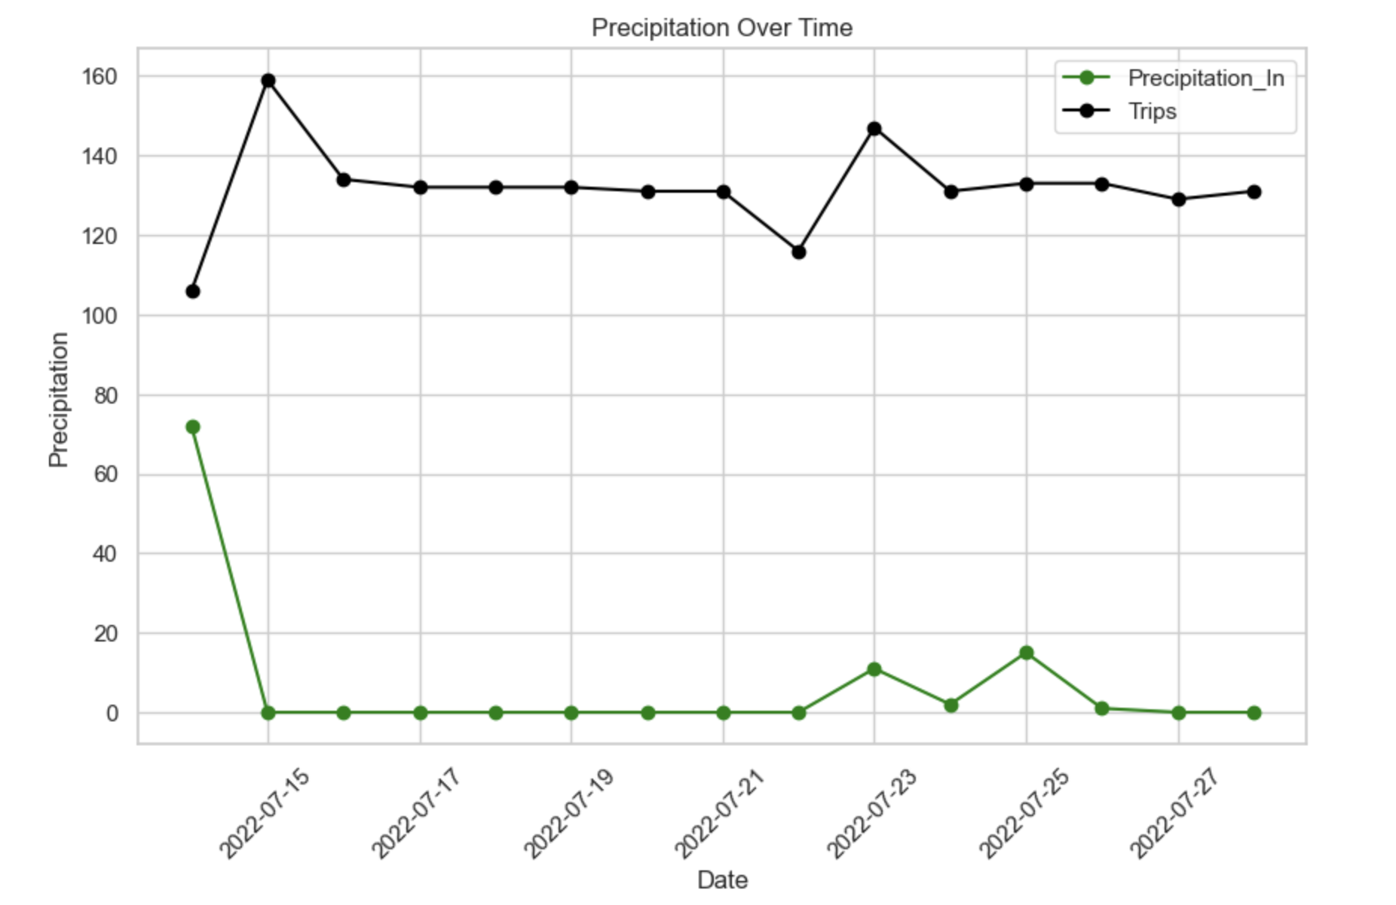
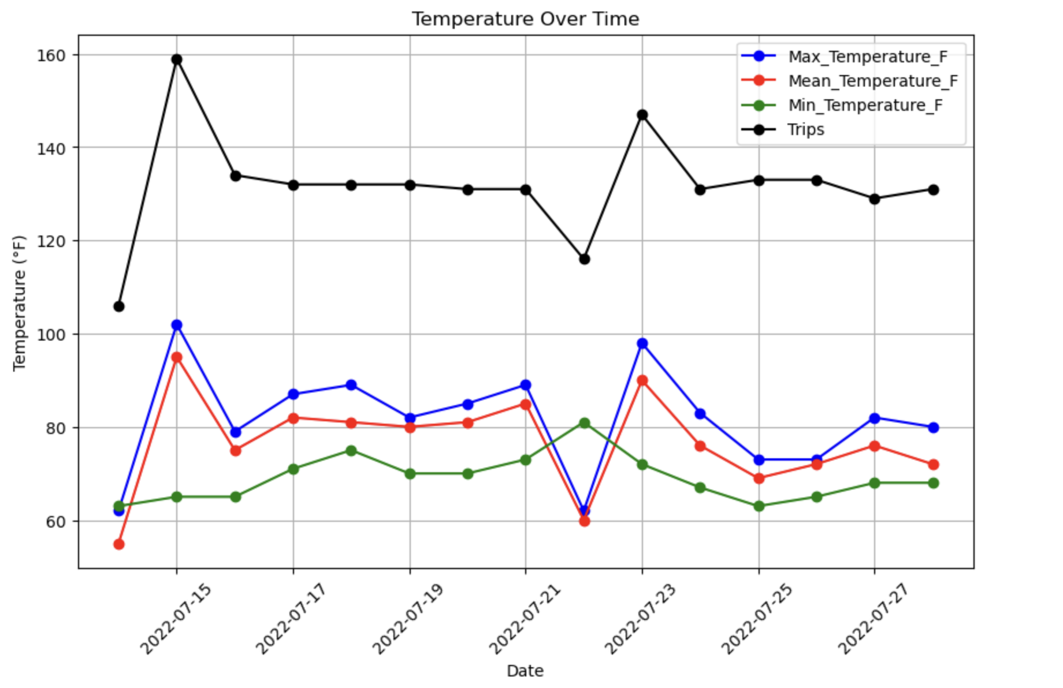

From the graph, we can infer that the number of rides by day decreases with the increase in precipitation.
From the graph, we can infer that the number of rides increases by day with the increase in temprature.
 |  | The value of 0.886 suggests a strong positive relationship between mean temperature and the number of rides. The value of 0.886 suggests a strong positive relationship between mean temperature and the number of rides.
 |  | As mean temperature increases, the number of rides tends to increase as well, and vice versa. As mean temperature increases, the number of rides tends to increase as well, and vice versa.
 |  | This correlation coefficient indicates that there's a notable tendency for the number of rides to change in the same direction as mean temperature changes. This correlation coefficient indicates that there's a notable tendency for the number of rides to change in the same direction as mean temperature changes.

Data Viz 1)
To avoid the crowded graph, I divided the Age into the Age Groups
Age Groups | Range
Child | 0 to 18
Young Adult | 18 to 30
Adult | 31 to 50
Middle-aged Adult | 51 to 65
Senior | 66 and above

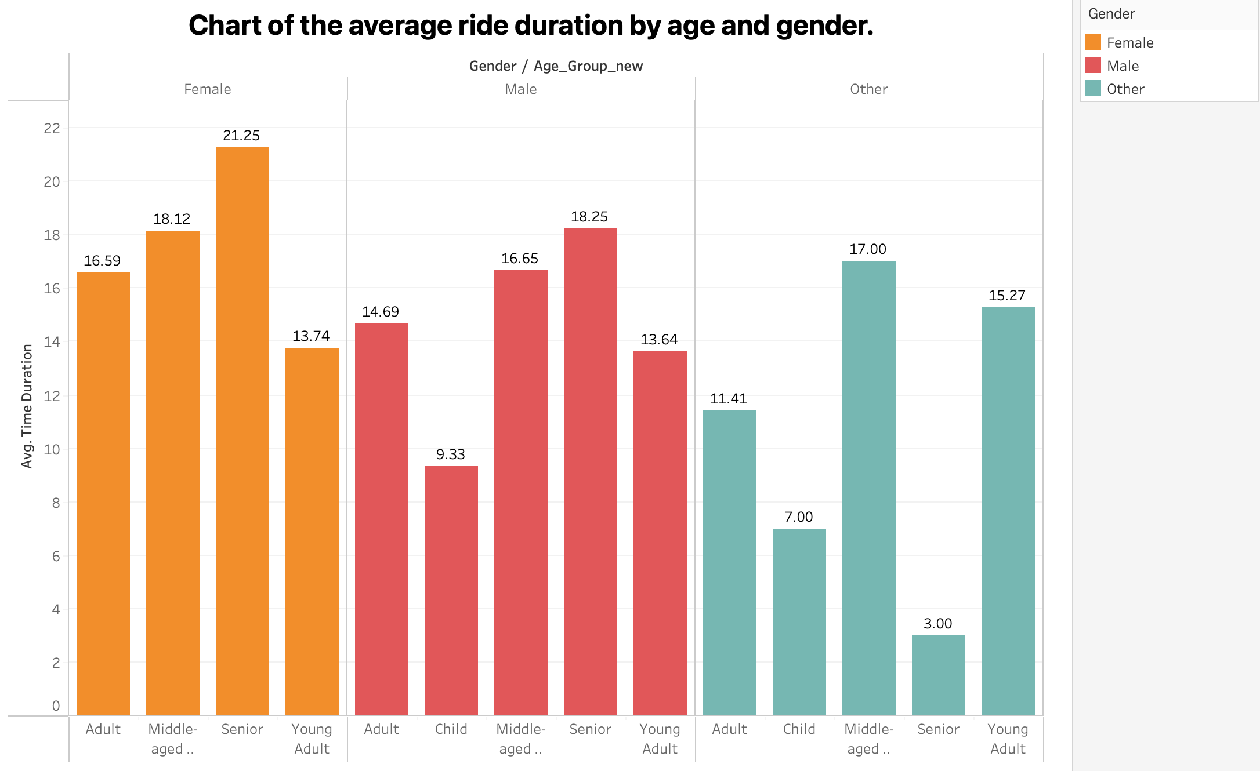

From the graph, we can infer that -
The average trip time in female senior age group is higher than all the age groups in females.
The average trip time in female young adult is lower than all the age groups in female
The average trip time in male senior age group is higher than all the age groups in male
The average trip time in male child age group is lower than all the age groups in male followed by young adults.
The average trip time in middle-aged age group is higher than all other age groups in other gender category
The average trip time in senior age group is lower than all other age groups in other gender category

Data Viz 2)
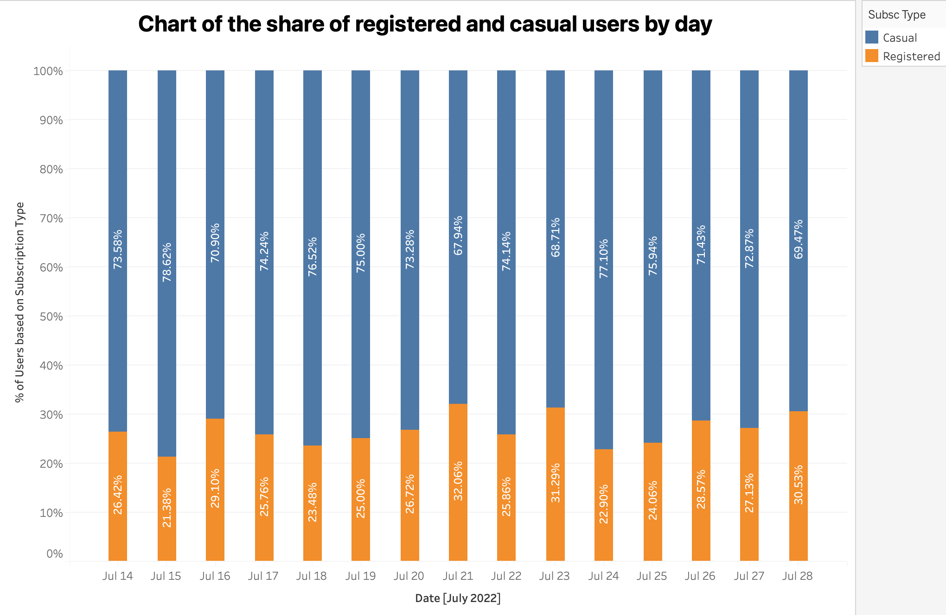

From this graph, we can infer that the share of the casual users is higher than that of registered users by day

Data Viz 3)
Assuming all stations began July 14th with 20 bikes, create a chart for any station (you pick) that shows the number of bikes available at the end of each day for the rest of July.

For this analysis, I selected Mayor Thomas M. Menino - Government Center Station with Station ID = 23
Dates | Bike left at the end of each day
2022-07-14 | 18
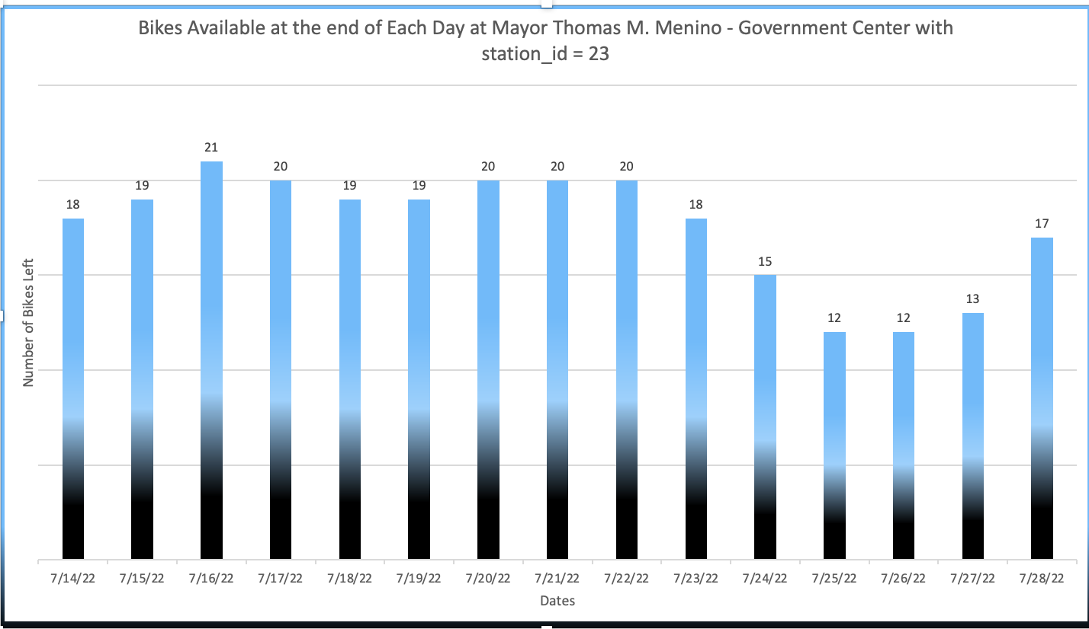
2022-07-15 | 19
2022-07-16 | 21
2022-07-17 | 20
2022-07-18 | 19
2022-07-19 | 19
2022-07-20 | 20
2022-07-21 | 20
2022-07-22 | 20
2022-07-23 | 18
2022-07-24 | 15
2022-07-25 | 12
2022-07-26 | 12
2022-07-27 | 13
2022-07-28 | 17

Dates | Returns | Rents
2022-07-14 | 7 | 9
2022-07-15 | 5 | 4
2022-07-16 | 6 | 4
2022-07-17 | 7 | 8
2022-07-18 | 3 | 4
2022-07-19 | 5 | 5
2022-07-20 | 7 | 6
2022-07-21 | 4 | 4
2022-07-22 | 3 | 3
2022-07-23 | 2 | 6
2022-07-24 | 5 | 8
2022-07-25 | 3 | 6
2022-07-26 | 6 | 6
2022-07-27 | 6 | 5
2022-07-28 | 10 | 6

